Dashboard - Sample
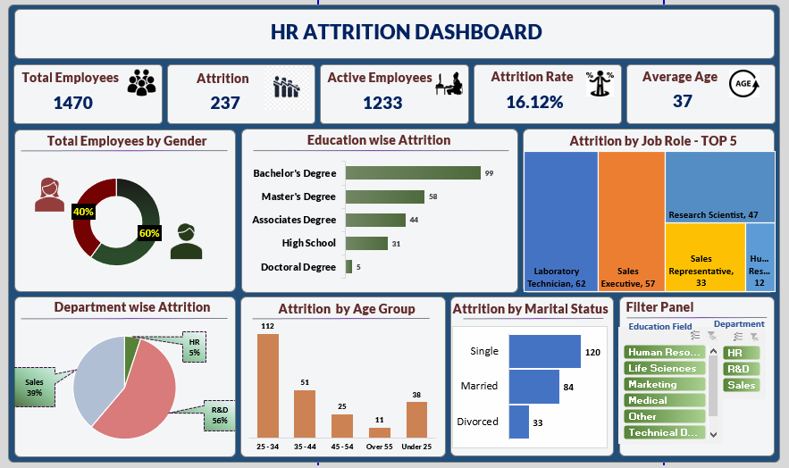

ATTRITION DASHBOARD

Employees by Gender
Gender | Percentage of Employee
Female | 40%
Male | 60%

Education-wise Attrition
Education | Attrition Counts
Doctoral Degree | 5
High School | 31
Associates Degree | 44
Master's Degree | 58
Bachelor's Degree | 99

Department-Wise Attrition
Department | Attrition Counts
R&D | 133
Sales | 92
HR | 12

Attrition by Age Group
Age Groups | Attrition Counts
25 - 34 | 112
35 - 44 | 51
45 - 54 | 25
Over 55 | 11
Under 25 | 38

Attrition by Marital Status
Marital Status | Attrition Counts
Single | 120
Married | 84
Divorced | 33

Blank - Layout
`
HR ATTRITION DASHBOARD

Total Employees
Attrition
Active Employees
Attrition Rate
Average Age
237
1470
1233
16.12%
37

Total Employees by Gender
Education-wise Attrition
Attrition by Job Role - Top 5
 | Total
Female | 40%
Male | 60%
 | Total
Doctoral Degree | 5
High School | 31
Associates Degree | 44
Master's Degree | 58
Bachelor's Degree | 99

Department-Wise Attrition
Attrition by Age Group
Attrition by Marital Status
Filter Panel

 | Total
R&D | 133
Sales | 92
HR | 12
 | Total
25 - 34 | 112
35 - 44 | 51
45 - 54 | 25
Over 55 | 11
Under 25 | 38
 | Total
Single | 120
Married | 84
Divorced | 33

